Sheet1
U Panel Fibc Bag
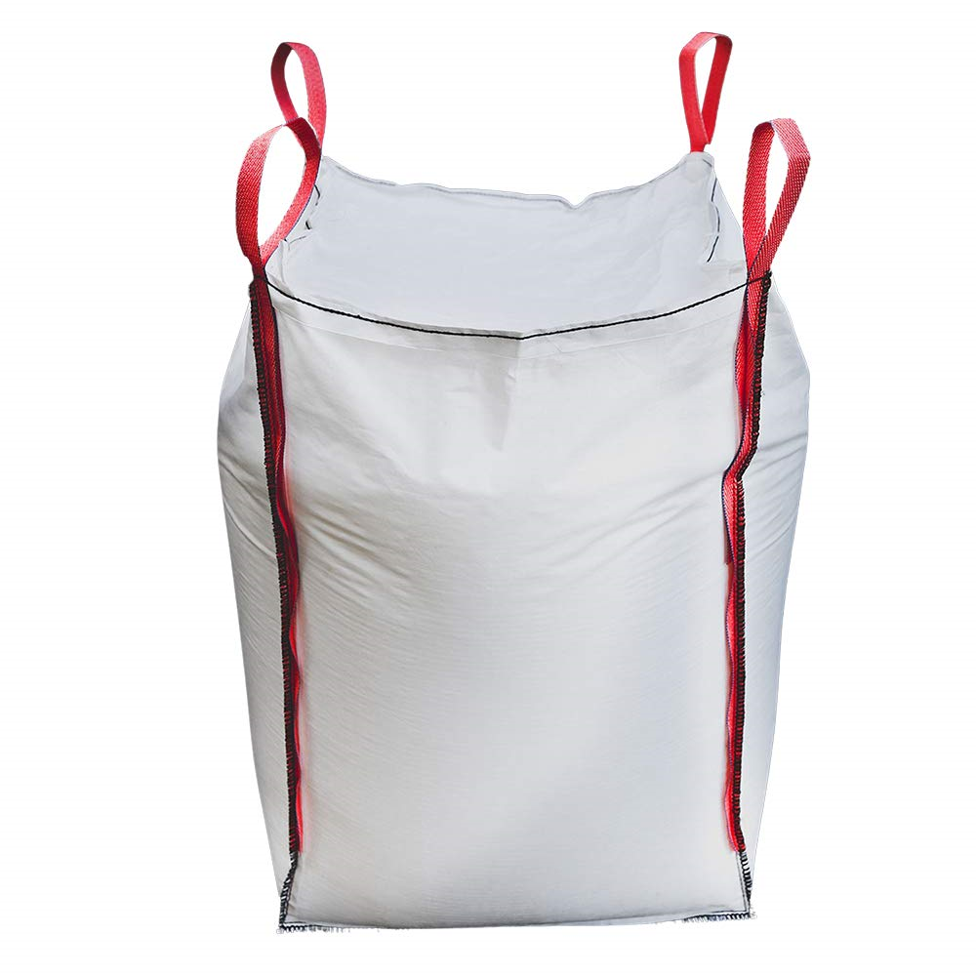

Features : Various Features of FIBC Bags
The U-Panel Design Utilizes One Long Piece Of Material In A U-Shape With Two Opposite Panels Sewn Together To The U To Shape The Bag..
Large Lifting Capacity That Includes Corner Handles For Extra Strength.
Uses : It's is mainly used in following industries.
U Panel Fibc Bags Can Be Used In A Variety Of Applications Such As Preserving Goods, Raw Materials,
And Agricultural Products.
U Panel FIBC Bag is Suitable For Various Filling And Discharge.
Advantages : Following are the advantages.
U Panel FIBC Bag is Dust-Proof.
This Jumbo Bag Is also Cost Savings.
U Panel FIBC bag Provide Powerful Safety, And Many More.

